White Rain Inventory
Image | style # | # Cases | Unit of Meas. | Description | Barcode | Pack | # Units | Exp. Date
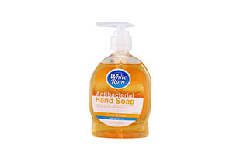 | 92712 | 800 | cases | WHITE RAIN HAND SOAP ANT. FRSH12CT | 810020288889 | 12 | 9,600 | 2028-07-15
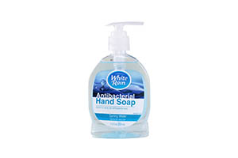 | 92711 | 800 | cases | WHITE RAIN HAND SOAP ANT. SPRIN12CT | 810020288872 | 12 | 9,600 | 2028-07-04
 | 87684 | 700 | cases | WHITE RAIN MEN'S FACE WASH 12/4 OZ | 810020287387 | 12 | 8,400
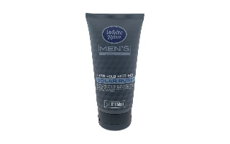 | 87685 | 200 | cases | WHITE RAIN MEN'S HAIR GEL 12/5 OZ | 810020287394 | 12 | 2,400
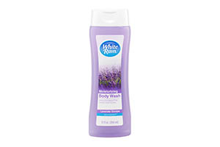 | 86072 | 2,783 | cases | WHITE RAIN BODY WASH LAVENDER 12OZ | 809219410002 | 6 | 16,698
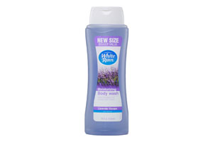 | 87256 | 3,249 | cases | WHITE RAIN BODY WASH LAV 18Z/12C | 810020286786 | 12 | 38,988
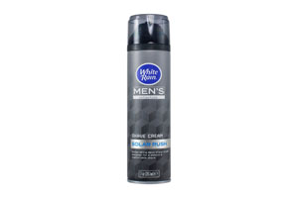 | 86919 | 1,176 | cases | WHITE RAIN SHAVING CREAM REG 12/7OZ | 810020286595 | 12 | 14,112 | 2026-07-10

 |  | 9,708 |  |  |  |  | 99,798

